SDR Sensitivity Study
 | Baseline | Large, High Fidelity | Payload Mass +10% | Payload Mass -10% | Departure Mass +10% | Departure Mass -10% | Launch Vehicle DV +10% | Launch Vehicle DV -10% | Limit LV Mass to 11000kg | Departure/Preposition Cost DV +10% | Departure/Preposition Cost DV -10% | Arrival Cost DV +10% | Arrival Cost DV -10% | Flyby Velocity +10% | Flyby Velocity -10% | 1 XR-100 | 1.5 XR-100 | 2.5 XR-100*** | 3 XR-100*** | Fuel Dump ISP = 0s | Fuel Dump ISP = 300s | Fuel Dump ISP = 1000s | Zero chem margin | Zero eprop margin
ISO Coverage (%) | 11.05 | 25.27 | 10.44 | 11.42 | 10.58 | 11.23 | 10.9 | 10.92 | 10.79 | 10.8 | 11 | 9.54 | 13.23 | 12.62 | 9.63 | 6.47 | 8.89 | 12.79 | 14.47 | 10.84 | 11.05 | 12.06 | 11.23 | 11.72
Coverage Change (%) |  | 128.7 | -5.5 | 3.3 | -4.3 | 1.6 | -1.4 | -1.2 | -2.4 | -2.3 | -0.5 | -13.7 | 19.7 | 14.2 | -12.9 | -41.4 | -19.5 | 15.7 | 31.0 | -1.9 | 0.0 | 9.1 | 1.6 | 6.1
Console Printout | Optimal Solution: ISO Coverage: 11.05 percent Maximum Intercept Range: 5.00 AU ~~~~~ Propulsive Capabilities: Earth Hyberbolic Excess: 3000.00 m/s Preposition DV: 300.00 m/s Departure DV: 23728.12 m/s Arrival DV: 2420.44 m/s Total Tank Volume: 7.25 m^3 ~~~~~ Mass Breakdown: Payload mass: 1200.00 kg Preposition Chem Mass: 1179.76 kg Departure Eprop Mass: 4393.82 kg Arrival Chem Mass: 3313.17 kg Mass Staged After Departure Burn: 1000.00 kg EProp Tank Mass: 231.25 kg Chem Prop Tank Mass: 792.87 kg Additional Power Mass (external to payload): 0.00 kg Thrust Plate Mass : 525.00 kg Total Prop Dry Mass: 1549.12 kg Total Mass: 12635.88 kg | Optimal Solution: ISO Coverage: 25.27 percent Maximum Intercept Range: 7.00 AU ~~~~~ Propulsive Capabilities: Earth Hyberbolic Excess: 3000.00 m/s Preposition DV: 300.00 m/s Departure DV: 34437.60 m/s Arrival DV: 1793.23 m/s Total Tank Volume: 7.56 m^3 ~~~~~ Mass Breakdown: Payload mass: 1200.00 kg Preposition Chem Mass: 1179.76 kg Departure Eprop Mass: 5779.07 kg Arrival Chem Mass: 2073.74 kg Mass Staged After Departure Burn: 1000.00 kg EProp Tank Mass: 304.16 kg Chem Prop Tank Mass: 574.15 kg Additional Power Mass (external to payload): 0.00 kg Thrust Plate Mass : 525.00 kg Total Prop Dry Mass: 1403.31 kg Total Mass: 12635.88 kg | Optimal Solution: ISO Coverage: 10.44 percent Maximum Intercept Range: 5.00 AU ~~~~~ Propulsive Capabilities: Earth Hyberbolic Excess: 3000.00 m/s Preposition DV: 300.00 m/s Departure DV: 23360.01 m/s Arrival DV: 2329.67 m/s Total Tank Volume: 7.15 m^3 ~~~~~ Mass Breakdown: Payload mass: 1320.00 kg Preposition Chem Mass: 1179.76 kg Departure Eprop Mass: 4340.62 kg Arrival Chem Mass: 3258.77 kg Mass Staged After Departure Burn: 1000.00 kg EProp Tank Mass: 228.45 kg Chem Prop Tank Mass: 783.27 kg Additional Power Mass (external to payload): 0.00 kg Thrust Plate Mass : 525.00 kg Total Prop Dry Mass: 1536.72 kg Total Mass: 12635.88 kg | Optimal Solution: ISO Coverage: 11.42 percent Maximum Intercept Range: 5.00 AU ~~~~~ Propulsive Capabilities: Earth Hyberbolic Excess: 3000.00 m/s Preposition DV: 300.00 m/s Departure DV: 24099.01 m/s Arrival DV: 2515.66 m/s Total Tank Volume: 7.35 m^3 ~~~~~ Mass Breakdown: Payload mass: 1080.00 kg Preposition Chem Mass: 1179.76 kg Departure Eprop Mass: 4447.02 kg Arrival Chem Mass: 3367.57 kg Mass Staged After Departure Burn: 1000.00 kg EProp Tank Mass: 234.05 kg Chem Prop Tank Mass: 802.47 kg Additional Power Mass (external to payload): 0.00 kg Thrust Plate Mass : 525.00 kg Total Prop Dry Mass: 1561.52 kg Total Mass: 12635.88 kg | Optimal Solution: ISO Coverage: 10.58 percent Maximum Intercept Range: 5.00 AU ~~~~~ Propulsive Capabilities: Earth Hyberbolic Excess: 3000.00 m/s Preposition DV: 300.00 m/s Departure DV: 23421.17 m/s Arrival DV: 2403.73 m/s Total Tank Volume: 7.16 m^3 ~~~~~ Mass Breakdown: Payload mass: 1200.00 kg Preposition Chem Mass: 1179.76 kg Departure Eprop Mass: 4349.49 kg Arrival Chem Mass: 3267.84 kg Mass Staged After Departure Burn: 1100.00 kg EProp Tank Mass: 228.92 kg Chem Prop Tank Mass: 784.87 kg Additional Power Mass (external to payload): 0.00 kg Thrust Plate Mass : 525.00 kg Total Prop Dry Mass: 1538.79 kg Total Mass: 12635.88 kg | Optimal Solution: ISO Coverage: 11.23 percent Maximum Intercept Range: 5.00 AU ~~~~~ Propulsive Capabilities: Earth Hyberbolic Excess: 3000.00 m/s Preposition DV: 300.00 m/s Departure DV: 24037.00 m/s Arrival DV: 2436.93 m/s Total Tank Volume: 7.33 m^3 ~~~~~ Mass Breakdown: Payload mass: 1200.00 kg Preposition Chem Mass: 1179.76 kg Departure Eprop Mass: 4438.16 kg Arrival Chem Mass: 3358.51 kg Mass Staged After Departure Burn: 900.00 kg EProp Tank Mass: 233.59 kg Chem Prop Tank Mass: 800.87 kg Additional Power Mass (external to payload): 0.00 kg Thrust Plate Mass : 525.00 kg Total Prop Dry Mass: 1559.46 kg Total Mass: 12635.88 kg | Optimal Solution: ISO Coverage: 10.90 percent Maximum Intercept Range: 5.00 AU ~~~~~ Propulsive Capabilities: Earth Hyberbolic Excess: 3300.00 m/s Preposition DV: 300.00 m/s Departure DV: 23434.48 m/s Arrival DV: 2368.23 m/s Total Tank Volume: 6.92 m^3 ~~~~~ Mass Breakdown: Payload mass: 1200.00 kg Preposition Chem Mass: 1139.75 kg Departure Eprop Mass: 4203.85 kg Arrival Chem Mass: 3158.93 kg Mass Staged After Departure Burn: 1000.00 kg EProp Tank Mass: 221.26 kg Chem Prop Tank Mass: 758.59 kg Additional Power Mass (external to payload): 0.00 kg Thrust Plate Mass : 525.00 kg Total Prop Dry Mass: 1504.85 kg Total Mass: 12207.38 kg | Optimal Solution: ISO Coverage: 10.92 percent Maximum Intercept Range: 5.00 AU ~~~~~ Propulsive Capabilities: Earth Hyberbolic Excess: 2700.00 m/s Preposition DV: 300.00 m/s Departure DV: 19752.00 m/s Arrival DV: 2696.09 m/s Total Tank Volume: 7.39 m^3 ~~~~~ Mass Breakdown: Payload mass: 1200.00 kg Preposition Chem Mass: 1216.60 kg Departure Eprop Mass: 3916.08 kg Arrival Chem Mass: 4039.19 kg Mass Staged After Departure Burn: 1000.00 kg EProp Tank Mass: 206.11 kg Chem Prop Tank Mass: 927.49 kg Additional Power Mass (external to payload): 0.00 kg Thrust Plate Mass : 525.00 kg Total Prop Dry Mass: 1658.60 kg Total Mass: 13030.47 kg | Optimal Solution: ISO Coverage: 10.79 percent Maximum Intercept Range: 5.00 AU ~~~~~ Propulsive Capabilities: Earth Hyberbolic Excess: 3000.00 m/s Preposition DV: 300.00 m/s Departure DV: 26752.94 m/s Arrival DV: 1953.65 m/s Total Tank Volume: 6.14 m^3 ~~~~~ Mass Breakdown: Payload mass: 1200.00 kg Preposition Chem Mass: 1027.02 kg Departure Eprop Mass: 4192.67 kg Arrival Chem Mass: 2255.39 kg Mass Staged After Departure Burn: 1000.00 kg EProp Tank Mass: 220.67 kg Chem Prop Tank Mass: 579.25 kg Additional Power Mass (external to payload): 0.00 kg Thrust Plate Mass : 525.00 kg Total Prop Dry Mass: 1324.92 kg Total Mass: 11000.00 kg | Optimal Solution: ISO Coverage: 10.80 percent Maximum Intercept Range: 5.00 AU ~~~~~ Propulsive Capabilities: Earth Hyberbolic Excess: 3000.00 m/s Preposition DV: 330.00 m/s Departure DV: 24029.62 m/s Arrival DV: 2363.50 m/s Total Tank Volume: 7.15 m^3 ~~~~~ Mass Breakdown: Payload mass: 1200.00 kg Preposition Chem Mass: 1291.50 kg Departure Eprop Mass: 4393.82 kg Arrival Chem Mass: 3201.43 kg Mass Staged After Departure Burn: 1000.00 kg EProp Tank Mass: 231.25 kg Chem Prop Tank Mass: 792.87 kg Additional Power Mass (external to payload): 0.00 kg Thrust Plate Mass : 525.00 kg Total Prop Dry Mass: 1549.12 kg Total Mass: 12635.88 kg | Optimal Solution: ISO Coverage: 11.00 percent Maximum Intercept Range: 5.00 AU ~~~~~ Propulsive Capabilities: Earth Hyberbolic Excess: 3000.00 m/s Preposition DV: 270.00 m/s Departure DV: 23431.37 m/s Arrival DV: 2476.88 m/s Total Tank Volume: 7.34 m^3 ~~~~~ Mass Breakdown: Payload mass: 1200.00 kg Preposition Chem Mass: 1066.92 kg Departure Eprop Mass: 4393.82 kg Arrival Chem Mass: 3426.01 kg Mass Staged After Departure Burn: 1000.00 kg EProp Tank Mass: 231.25 kg Chem Prop Tank Mass: 792.87 kg Additional Power Mass (external to payload): 0.00 kg Thrust Plate Mass : 525.00 kg Total Prop Dry Mass: 1549.12 kg Total Mass: 12635.88 kg | Optimal Solution: ISO Coverage: 9.54 percent Maximum Intercept Range: 5.00 AU ~~~~~ Propulsive Capabilities: Earth Hyberbolic Excess: 3000.00 m/s Preposition DV: 300.00 m/s Departure DV: 23728.12 m/s Arrival DV: 2420.44 m/s Total Tank Volume: 7.25 m^3 ~~~~~ Mass Breakdown: Payload mass: 1200.00 kg Preposition Chem Mass: 1179.76 kg Departure Eprop Mass: 4393.82 kg Arrival Chem Mass: 3313.17 kg Mass Staged After Departure Burn: 1000.00 kg EProp Tank Mass: 231.25 kg Chem Prop Tank Mass: 792.87 kg Additional Power Mass (external to payload): 0.00 kg Thrust Plate Mass : 525.00 kg Total Prop Dry Mass: 1549.12 kg Total Mass: 12635.88 kg | Optimal Solution: ISO Coverage: 13.23 percent Maximum Intercept Range: 5.00 AU ~~~~~ Propulsive Capabilities: Earth Hyberbolic Excess: 3000.00 m/s Preposition DV: 300.00 m/s Departure DV: 23728.12 m/s Arrival DV: 2420.44 m/s Total Tank Volume: 7.25 m^3 ~~~~~ Mass Breakdown: Payload mass: 1200.00 kg Preposition Chem Mass: 1179.76 kg Departure Eprop Mass: 4393.82 kg Arrival Chem Mass: 3313.17 kg Mass Staged After Departure Burn: 1000.00 kg EProp Tank Mass: 231.25 kg Chem Prop Tank Mass: 792.87 kg Additional Power Mass (external to payload): 0.00 kg Thrust Plate Mass : 525.00 kg Total Prop Dry Mass: 1549.12 kg Total Mass: 12635.88 kg | Optimal Solution: ISO Coverage: 12.62 percent Maximum Intercept Range: 5.00 AU ~~~~~ Propulsive Capabilities: Earth Hyberbolic Excess: 3000.00 m/s Preposition DV: 300.00 m/s Departure DV: 23728.12 m/s Arrival DV: 2420.44 m/s Total Tank Volume: 7.25 m^3 ~~~~~ Mass Breakdown: Payload mass: 1200.00 kg Preposition Chem Mass: 1179.76 kg Departure Eprop Mass: 4393.82 kg Arrival Chem Mass: 3313.17 kg Mass Staged After Departure Burn: 1000.00 kg EProp Tank Mass: 231.25 kg Chem Prop Tank Mass: 792.87 kg Additional Power Mass (external to payload): 0.00 kg Thrust Plate Mass : 525.00 kg Total Prop Dry Mass: 1549.12 kg Total Mass: 12635.88 kg | Optimal Solution: ISO Coverage: 9.63 percent Maximum Intercept Range: 5.00 AU ~~~~~ Propulsive Capabilities: Earth Hyberbolic Excess: 3000.00 m/s Preposition DV: 300.00 m/s Departure DV: 23728.12 m/s Arrival DV: 2420.44 m/s Total Tank Volume: 7.25 m^3 ~~~~~ Mass Breakdown: Payload mass: 1200.00 kg Preposition Chem Mass: 1179.76 kg Departure Eprop Mass: 4393.82 kg Arrival Chem Mass: 3313.17 kg Mass Staged After Departure Burn: 1000.00 kg EProp Tank Mass: 231.25 kg Chem Prop Tank Mass: 792.87 kg Additional Power Mass (external to payload): 0.00 kg Thrust Plate Mass : 525.00 kg Total Prop Dry Mass: 1549.12 kg Total Mass: 12635.88 kg | Optimal Solution: ISO Coverage: 6.47 percent Maximum Intercept Range: 5.00 AU ~~~~~ Propulsive Capabilities: Earth Hyberbolic Excess: 3000.00 m/s Preposition DV: 300.00 m/s Departure DV: 12482.92 m/s Arrival DV: 3247.28 m/s Total Tank Volume: 7.01 m^3 ~~~~~ Mass Breakdown: Payload mass: 1200.00 kg Preposition Chem Mass: 1179.76 kg Departure Eprop Mass: 2574.09 kg Arrival Chem Mass: 5153.86 kg Mass Staged After Departure Burn: 1000.00 kg EProp Tank Mass: 135.48 kg Chem Prop Tank Mass: 1117.70 kg Additional Power Mass (external to payload): 0.00 kg Thrust Plate Mass : 275.00 kg Total Prop Dry Mass: 1528.17 kg Total Mass: 12635.88 kg | Optimal Solution: ISO Coverage: 8.89 percent Maximum Intercept Range: 5.00 AU ~~~~~ Propulsive Capabilities: Earth Hyberbolic Excess: 3000.00 m/s Preposition DV: 300.00 m/s Departure DV: 15936.91 m/s Arrival DV: 2955.78 m/s Total Tank Volume: 7.06 m^3 ~~~~~ Mass Breakdown: Payload mass: 1200.00 kg Preposition Chem Mass: 1179.76 kg Departure Eprop Mass: 3178.03 kg Arrival Chem Mass: 4507.24 kg Mass Staged After Departure Burn: 1000.00 kg EProp Tank Mass: 167.26 kg Chem Prop Tank Mass: 1003.59 kg Additional Power Mass (external to payload): 0.00 kg Thrust Plate Mass : 400.00 kg Total Prop Dry Mass: 1570.85 kg Total Mass: 12635.88 kg | Optimal Solution: ISO Coverage: 12.79 percent Maximum Intercept Range: 5.00 AU ~~~~~ Propulsive Capabilities: Earth Hyberbolic Excess: 3000.00 m/s Preposition DV: 300.00 m/s Departure DV: 32730.02 m/s Arrival DV: 1775.83 m/s Total Tank Volume: 7.43 m^3 ~~~~~ Mass Breakdown: Payload mass: 1200.00 kg Preposition Chem Mass: 1179.76 kg Departure Eprop Mass: 5577.95 kg Arrival Chem Mass: 2147.44 kg Mass Staged After Departure Burn: 1000.00 kg EProp Tank Mass: 293.58 kg Chem Prop Tank Mass: 587.15 kg Additional Power Mass (external to payload): 0.00 kg Thrust Plate Mass : 650.00 kg Total Prop Dry Mass: 1530.73 kg Total Mass: 12635.88 kg | Optimal Solution: ISO Coverage: 14.47 percent Maximum Intercept Range: 5.00 AU ~~~~~ Propulsive Capabilities: Earth Hyberbolic Excess: 3000.00 m/s Preposition DV: 300.00 m/s Departure DV: 32139.05 m/s Arrival DV: 1695.30 m/s Total Tank Volume: 7.32 m^3 ~~~~~ Mass Breakdown: Payload mass: 1200.00 kg Preposition Chem Mass: 1179.76 kg Departure Eprop Mass: 5506.70 kg Arrival Chem Mass: 2104.94 kg Mass Staged After Departure Burn: 1000.00 kg EProp Tank Mass: 289.83 kg Chem Prop Tank Mass: 579.65 kg Additional Power Mass (external to payload): 0.00 kg Thrust Plate Mass : 775.00 kg Total Prop Dry Mass: 1644.48 kg Total Mass: 12635.88 kg | Optimal Solution: ISO Coverage: 10.84 percent Maximum Intercept Range: 5.00 AU ~~~~~ Propulsive Capabilities: Earth Hyberbolic Excess: 3000.00 m/s Preposition DV: 300.00 m/s Departure DV: 23728.12 m/s Arrival DV: 2420.44 m/s Total Tank Volume: 7.25 m^3 ~~~~~ Mass Breakdown: Payload mass: 1200.00 kg Preposition Chem Mass: 1179.76 kg Departure Eprop Mass: 4393.82 kg Arrival Chem Mass: 3313.17 kg Mass Staged After Departure Burn: 1000.00 kg EProp Tank Mass: 231.25 kg Chem Prop Tank Mass: 792.87 kg Additional Power Mass (external to payload): 0.00 kg Thrust Plate Mass : 525.00 kg Total Prop Dry Mass: 1549.12 kg Total Mass: 12635.88 kg | Optimal Solution: ISO Coverage: 11.05 percent Maximum Intercept Range: 5.00 AU ~~~~~ Propulsive Capabilities: Earth Hyberbolic Excess: 3000.00 m/s Preposition DV: 300.00 m/s Departure DV: 23728.12 m/s Arrival DV: 2420.44 m/s Total Tank Volume: 7.25 m^3 ~~~~~ Mass Breakdown: Payload mass: 1200.00 kg Preposition Chem Mass: 1179.76 kg Departure Eprop Mass: 4393.82 kg Arrival Chem Mass: 3313.17 kg Mass Staged After Departure Burn: 1000.00 kg EProp Tank Mass: 231.25 kg Chem Prop Tank Mass: 792.87 kg Additional Power Mass (external to payload): 0.00 kg Thrust Plate Mass : 525.00 kg Total Prop Dry Mass: 1549.12 kg Total Mass: 12635.88 kg | Optimal Solution: ISO Coverage: 12.06 percent Maximum Intercept Range: 5.00 AU ~~~~~ Propulsive Capabilities: Earth Hyberbolic Excess: 3000.00 m/s Preposition DV: 300.00 m/s Departure DV: 45276.00 m/s Arrival DV: 1093.22 m/s Total Tank Volume: 7.82 m^3 ~~~~~ Mass Breakdown: Payload mass: 1200.00 kg Preposition Chem Mass: 1179.76 kg Departure Eprop Mass: 6904.58 kg Arrival Chem Mass: 1066.71 kg Mass Staged After Departure Burn: 1000.00 kg EProp Tank Mass: 363.40 kg Chem Prop Tank Mass: 396.44 kg Additional Power Mass (external to payload): 0.00 kg Thrust Plate Mass : 525.00 kg Total Prop Dry Mass: 1284.83 kg Total Mass: 12635.88 kg | Optimal Solution: ISO Coverage: 11.23 percent Maximum Intercept Range: 5.00 AU ~~~~~ Propulsive Capabilities: Earth Hyberbolic Excess: 3000.00 m/s Preposition DV: 300.00 m/s Departure DV: 19551.58 m/s Arrival DV: 2649.30 m/s Total Tank Volume: 7.10 m^3 ~~~~~ Mass Breakdown: Payload mass: 1200.00 kg Preposition Chem Mass: 1179.76 kg Departure Eprop Mass: 3766.13 kg Arrival Chem Mass: 3874.79 kg Mass Staged After Departure Burn: 1000.00 kg EProp Tank Mass: 198.22 kg Chem Prop Tank Mass: 891.98 kg Additional Power Mass (external to payload): 0.00 kg Thrust Plate Mass : 525.00 kg Total Prop Dry Mass: 1615.20 kg Total Mass: 12635.88 kg | Optimal Solution: ISO Coverage: 11.72 percent Maximum Intercept Range: 5.00 AU ~~~~~ Propulsive Capabilities: Earth Hyberbolic Excess: 3000.00 m/s Preposition DV: 300.00 m/s Departure DV: 28293.66 m/s Arrival DV: 2160.36 m/s Total Tank Volume: 7.39 m^3 ~~~~~ Mass Breakdown: Payload mass: 1200.00 kg Preposition Chem Mass: 1179.76 kg Departure Eprop Mass: 5021.51 kg Arrival Chem Mass: 2751.56 kg Mass Staged After Departure Burn: 1000.00 kg EProp Tank Mass: 264.29 kg Chem Prop Tank Mass: 693.76 kg Additional Power Mass (external to payload): 0.00 kg Thrust Plate Mass : 525.00 kg Total Prop Dry Mass: 1483.05 kg Total Mass: 12635.88 kg
Images | 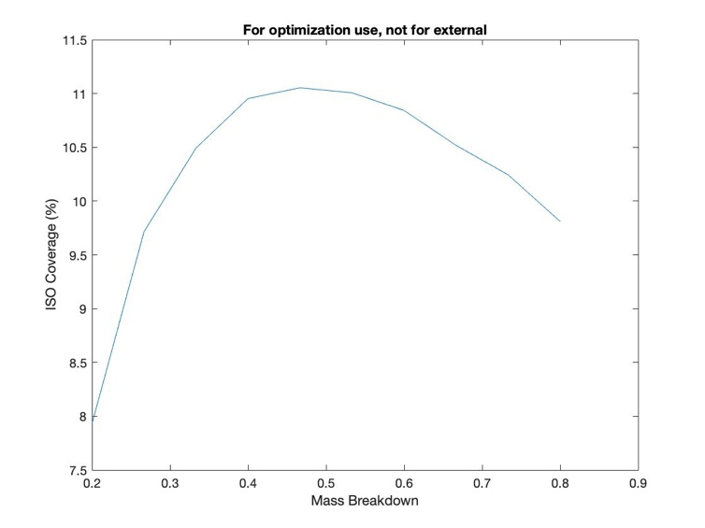 | 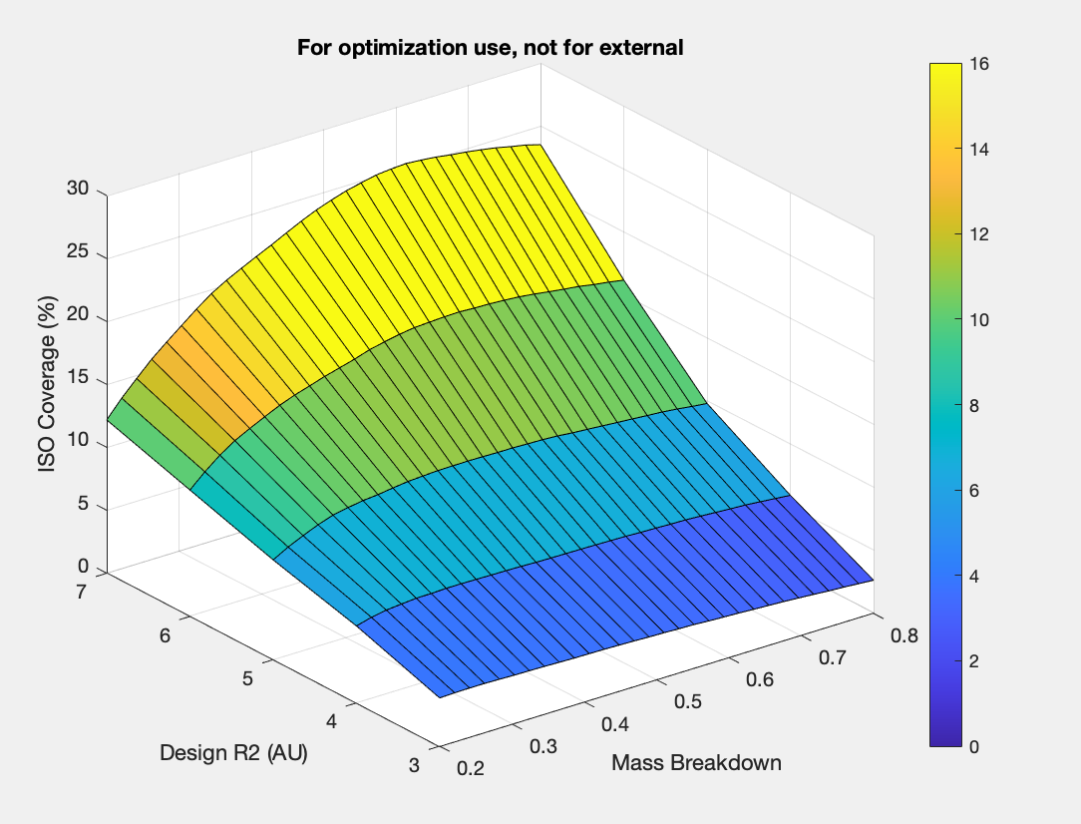 | 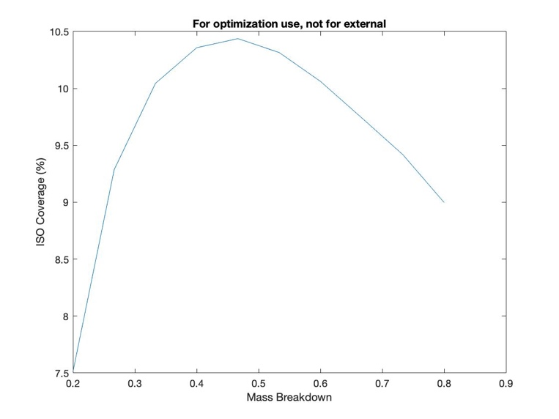 | 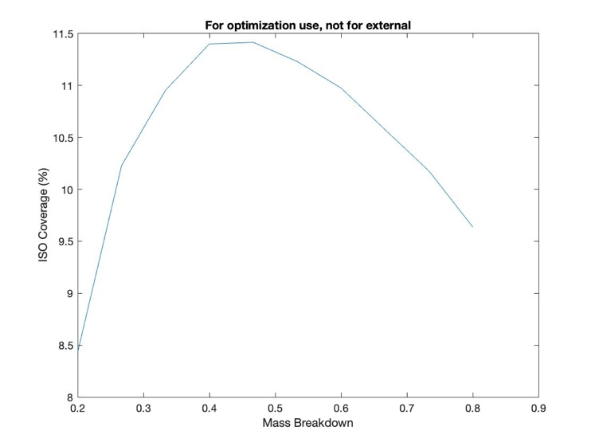 | 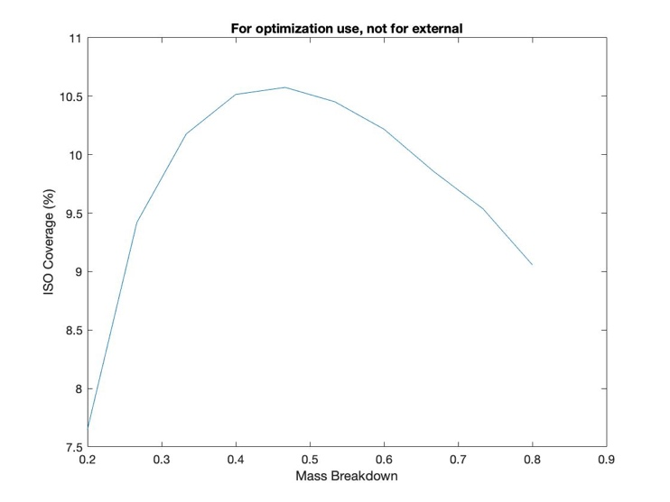 | 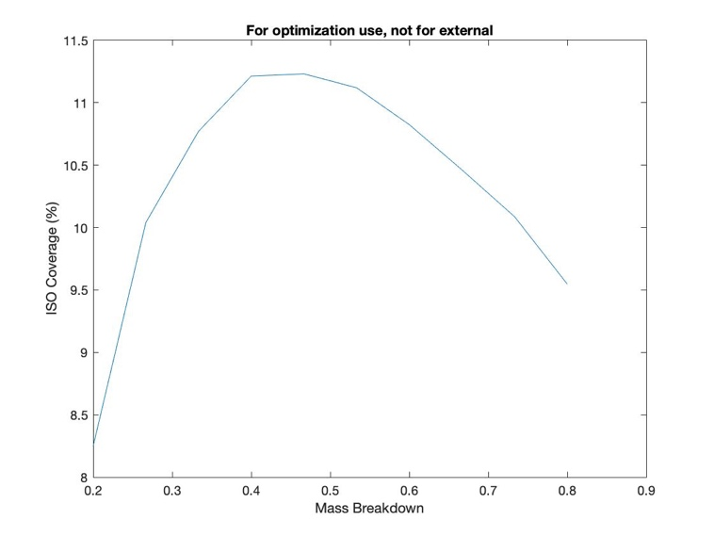 | 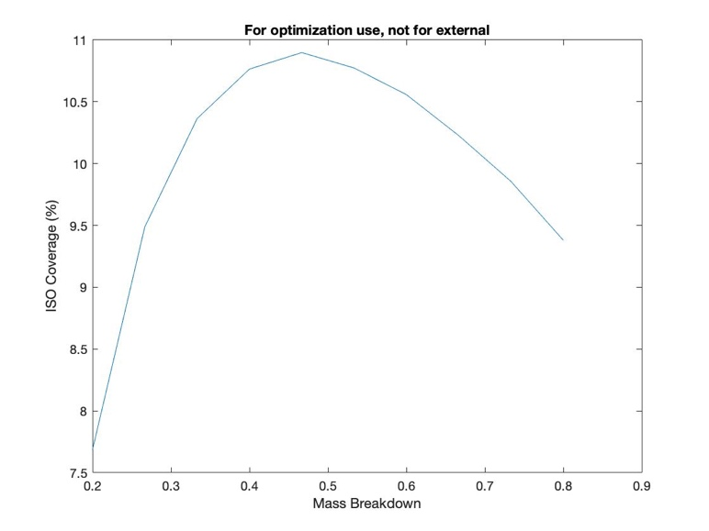 | 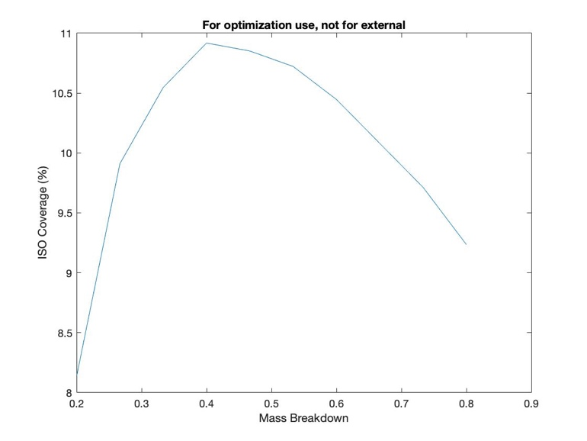 | 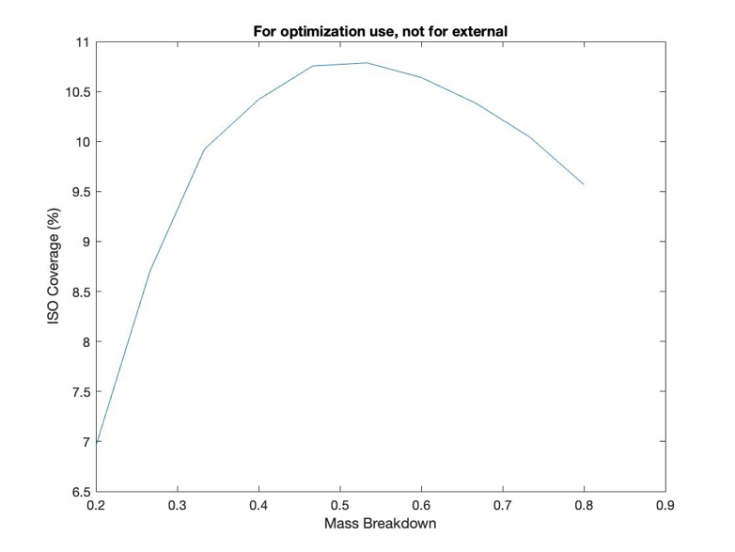 | 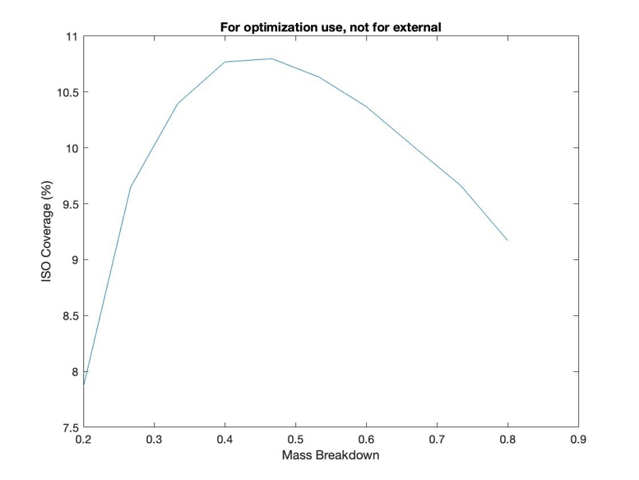 |  | 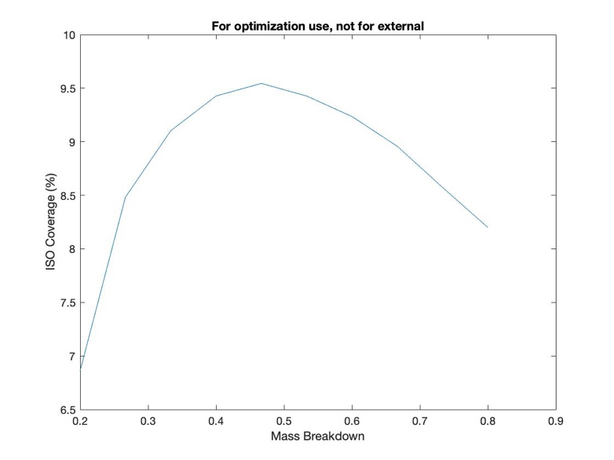 |  | 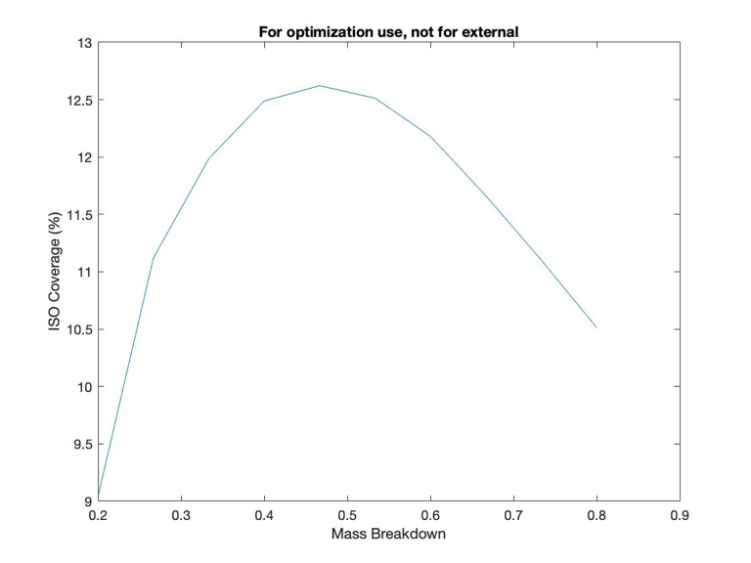 |  | 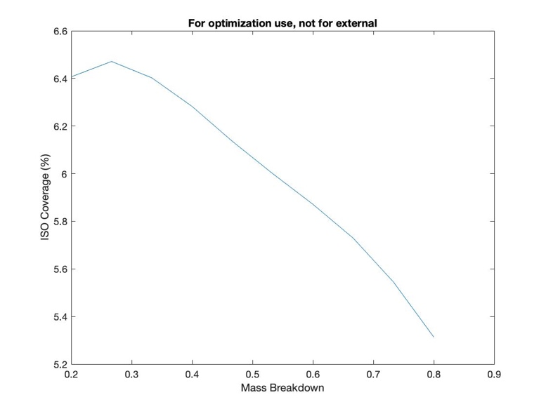 | 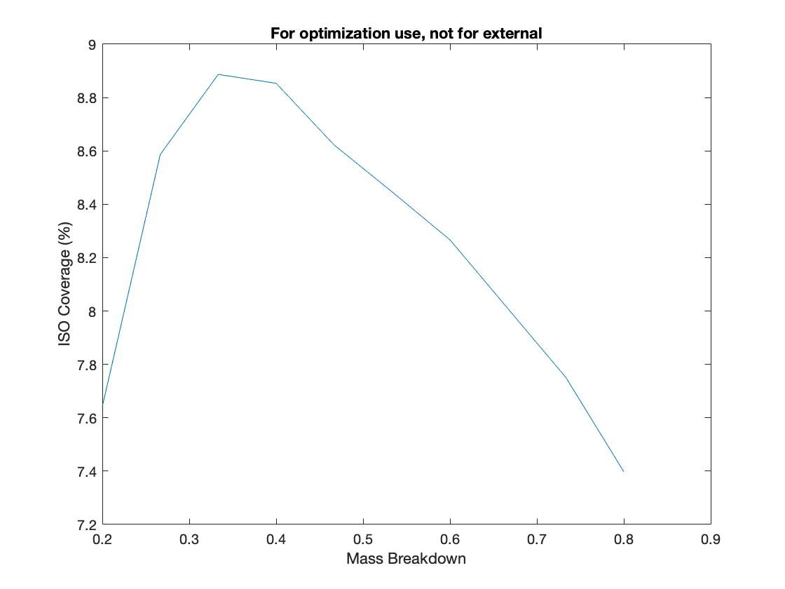 | 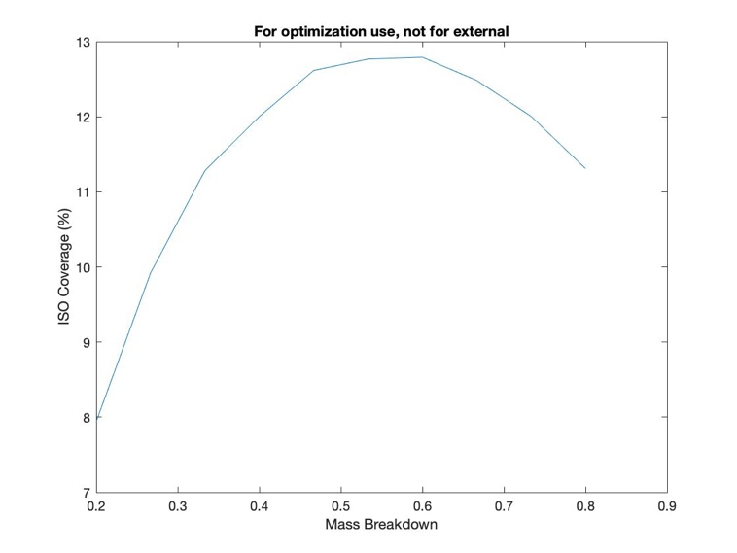 | 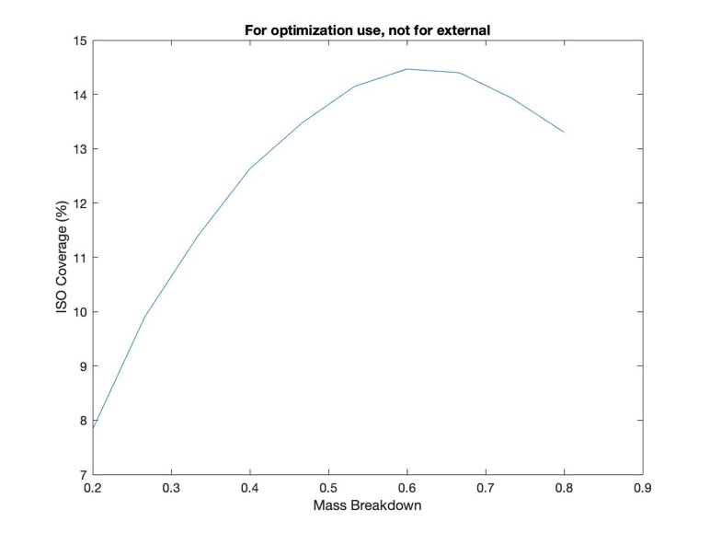 |  | 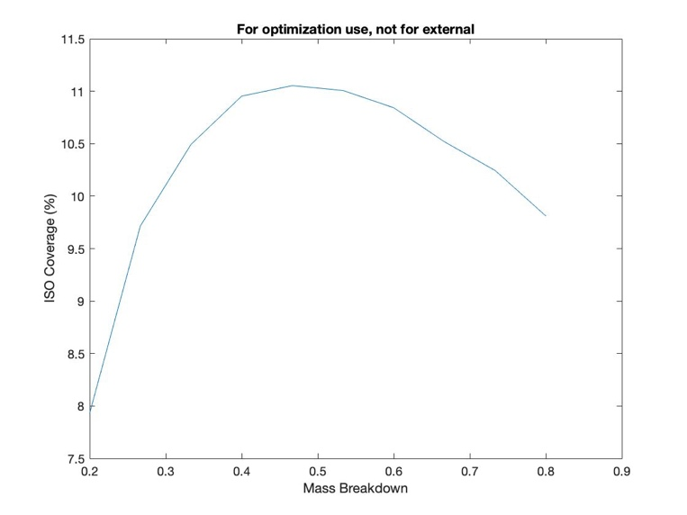 | 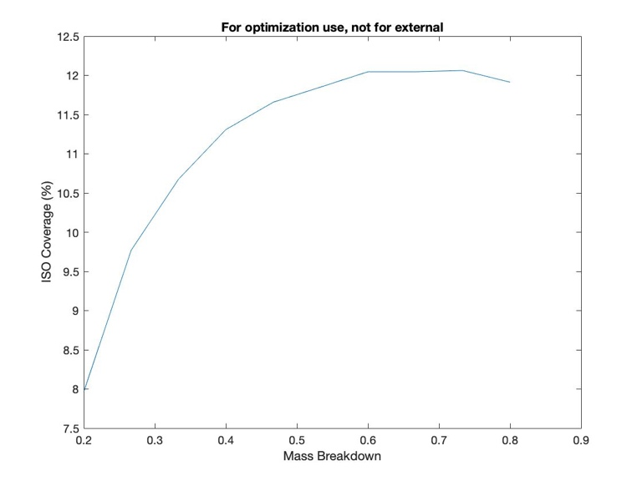 | 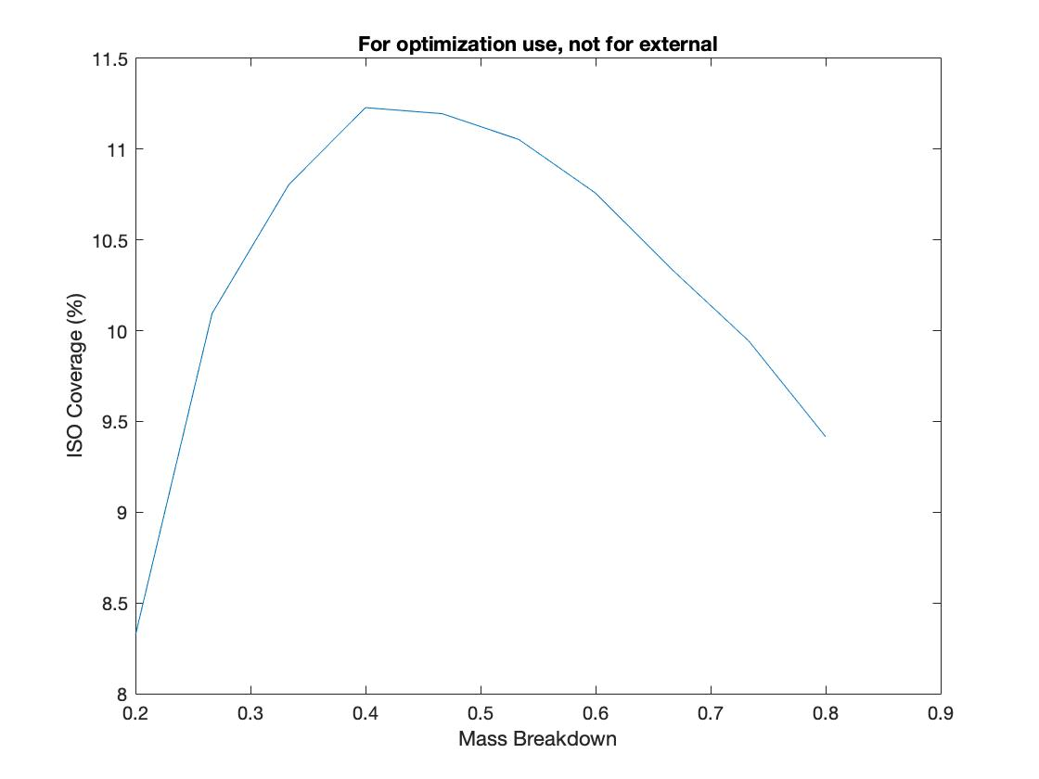 | 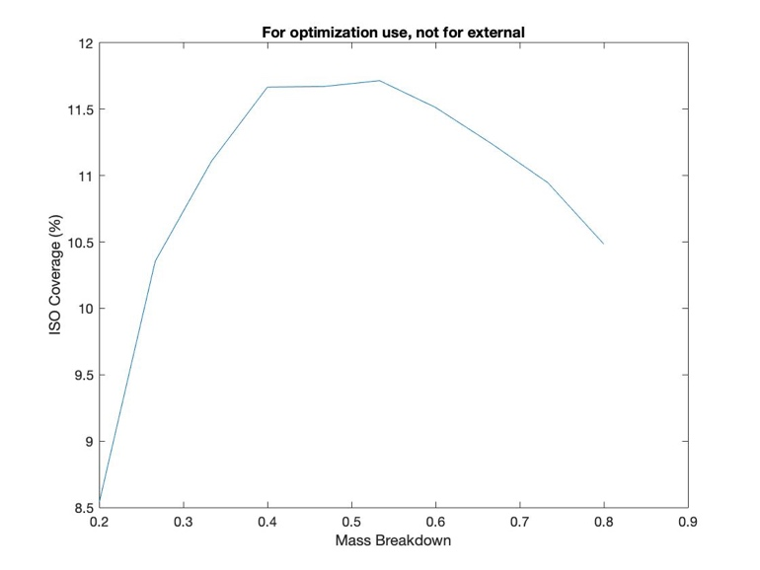

 | orbitname = 'Orb_1.0x1.15AU_10AULim'; % (From Orbits team) orbit = [1,1.15]; %AU (From Orbits team) preposition_DV1 = 3000; %m/s ---> launch vehicle (From Orbits team) preposition_DV2 = 300; %m/s ---> burn 1V_max = 10; LV_mass_capacity = 1; flyby_velocity_p = [0,0,10]; % Mass, power, and volume allocations per stage external to prop systems %Payload and arrival burn mass_payload = 600 + 600; %Payload mass including solar panels and radiators, kg (From SPaM) power_payload = 500; %Power required on payload, W (From SPaM) sp_nominal_payload = 300000*.775; % BOL Power generation from solar panels at 1 AU, W radiator_payload = 0; %BOL Power dissapation from radiators, W heat_payload = 0; %Heat generated by payload that must be dissapated yr_payload = 0; %Age of radiators and solar panels at this stage SMAP_payload = [mass_payload,power_payload,sp_nominal_payload,radiator_payload,heat_payload,yr_payload]; %Departure burn mass_departure = 1000; %Mass including solar panels and radiators, kg (From SPaM) power_departure = 0; %Power required, W (From SPaM) sp_nominal_departure = 0; %BOL Power generation from solar panels at 1 AU, W radiator_departure = 100000; %BOL Power dissapation from radiators, W heat_departure = 0; %Heat generated by payload that must be dissapated yr_departure = 0; %Age of radiators and solar panels at this stage SMAP_departure = [mass_departure,power_departure,sp_nominal_departure,radiator_departure,heat_departure,yr_departure]; SMAP = [SMAP_payload;SMAP_departure]; R_max = [5, 5]; %Range of heliocentric rendevous design pts, AU (User input) m_break = [.2,.8]; %Range of mass breakdown (propmass of departure stage/propmass of arrival and departure stages) (User input) numR2 = 1; % Simulation size (User input) numMass = 10; % Simulation size (User input) % prop = [8]; % 1 - 0 for chemprop (and impulsive) || Thrust for eprop (and non-impulsive), [N] % 2 - Thruster dry

Test1
Assumptions |  | Inputs
Payload Mass (w/out power) | 600 kg | Orbit | 1 SC in 1x1.15 AU
Payload Power | 500 W | Launch Vehicle DV | 3000m/s
Flyby velocity equation | 0/R^2 + 0/R + 10km/s | Preposition DV | 300m/s
E-prop Struct Mass | 5% | Launch Vehicle Capacity | 100%
Chem-prop Struct Mass | 15% | Launch Vehicle | Falcon Heavy Expendible
SP Mass | 1kg/120W at 1AU | Preposition System | R4D
SP Efficiency | .33*.775 | Departure System | 2x XR100
Lambert Factor1 | .85*sqrt(t/100)+1 - t/400 | Arrival System | R4D | -1.1008664257
Lambert Factor2 | 1.05+.15/50*t |  |  | 34.899952789
 |  |  |  | 111.34746842 | 145.14655478

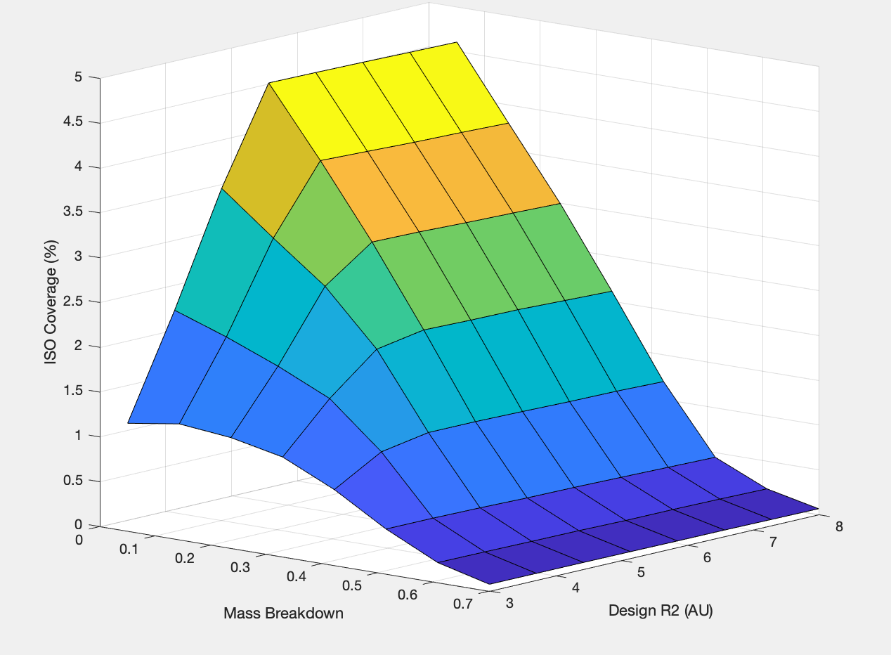
 |  |  |  |  |  | Coverage | 12.70%
 |  |  |  |  |  | Payload Mass
 |  |  |  |  |  | Stage 1 | 10987 kg
 |  |  |  |  |  | Stage 2 | 15987 kg

Test2
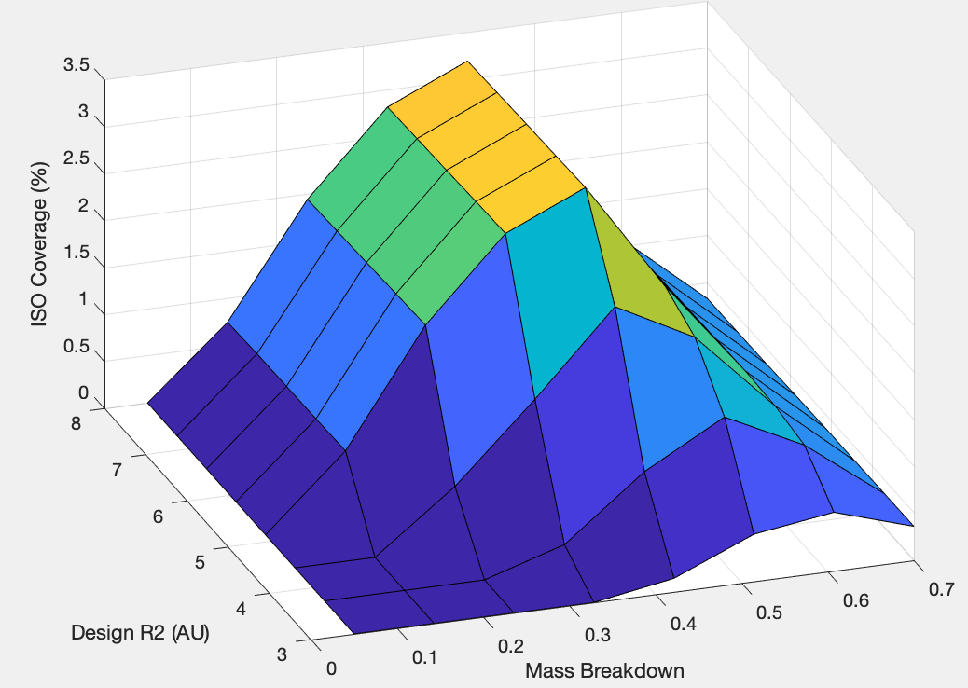
Assumptions |  | Inputs
Payload Mass (w/out power) | 600 kg | Orbit | 2 SC in 1x1.15 AU
Payload Power | 500 W | Launch Vehicle DV | 3000m/s
Flyby velocity equation | 0/R^2 + 0/R + 10km/s | Preposition DV | 300m/s
E-prop Struct Mass | 5% | Launch Vehicle Capacity | 100%
Chem-prop Struct Mass | 15% | Launch Vehicle | Falcon Heavy Expendible
SP Mass | 1kg/120W at 1AU | Preposition System | R4D
SP Efficiency | .33*.775 | Departure System | XR100
Lambert Factor1 | .85*sqrt(t/100)+1 - t/400 | Arrival System | R4D
Lambert Factor2 | 1.05+.15/50*t

